Sheet1
S.no | Zone | State | Region | Area | Cluster | Branch Code | Branch | Village | CSREMPID | CSRNAME | Center ID | Center Name | Group ID | Group Name | Product Code | Product Name | Cust ID | UCIC | LAN | Customer Name | Disbdate | Loan Amount | Demand Collection Date | Collecteddate | Transaction date | Collection Mode | Cash/Bank | Principle Collection | Interest Collection | Advance Collection | Total Collection | Attendance | Receipt Number | OD Remarks | DPD as on last month end | Loan Cycle | Borrower Category | Authentication Status | ODREMARKS | Transaction ID | Transaction Mobile Number
3 | West | Madhya Pradesh-2 | Jabalpur | Jabalpur | Jabalpur | MPGL0385 | Jabalpur | Madhotal | SF0031447 | Vikasdeep Mishra | 147141 | 423771 | 198640 | Laxmi | 30 | Chetana | CID038501396 | CID038501396 | 350217260 | LAXMI THAKUR | 2023-01-13 | 83704.00 |  | 2025-06-16 | 2025-06-16 17:23:06 | web | Cash | 0.00 | 0.00 | 0.00 | 29500.00 |  | 225832622 |  | 328 | 8 | Red | Done
5 | West | Madhya Pradesh-2 | Jabalpur | Jabalpur | Jabalpur | MPGL0385 | Jabalpur | MATHETRESA | SF0031447 | Vikasdeep Mishra | 302631 | 40 | 409578 | ekta | 30 | Chetana | SSF3658775 | SSF3658775 | 351200718 | KALAVATI BARMAN | 2023-03-26 | 44040.00 |  | 2025-06-16 | 2025-06-16 17:23:50 | web | Cash | 0.00 | 0.00 | 0.00 | 2400.00 |  | 225832658 |  | 54 | 1 | Red | Done
6 | West | Madhya Pradesh-2 | Jabalpur | Jabalpur | Jabalpur | MPGL0385 | Jabalpur | MATHETRESA | SF0031447 | Vikasdeep Mishra | 302631 | 40 | 409578 | ekta | 67 | Chetana | SSF3645316 | SSF3645316 | 357640220 | PREETI LALWANI | 2024-07-01 | 65000.00 |  | 2025-06-16 | 2025-06-16 17:24:18 | web | Cash | 0.00 | 0.00 | 0.00 | 3470.00 |  | 225832679 |  | 54 | GL-2 | Red | Done
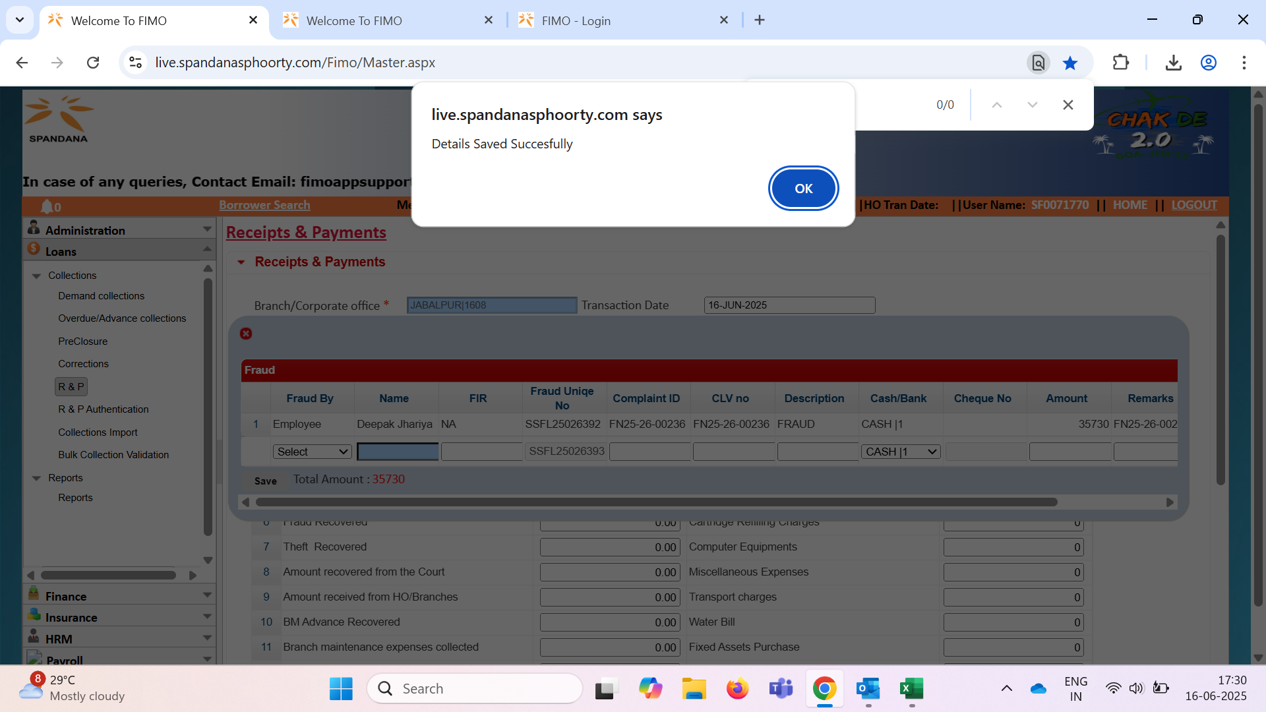

 |  |  |  |  |  |  |  |  |  |  |  |  |  |  |  |  |  |  |  |  |  |  |  |  |  |  |  | 35370
 |  |  |  |  |  |  |  |  |  |  |  |  |  |  |  |  |  |  |  |  |  |  |  |  |  |  |  | 8906.03

 |  |  |  |  |  |  |  |  |  |  |  |  |  |  |  |  |  |  |  |  |  |  |  |  |  |  | 35730
 |  |  |  |  |  |  |  |  |  |  |  |  |  |  |  |  |  |  |  |  |  |  |  |  |  |  | 9000

 |  |  |  |  |  |  |  |  |  |  |  |  |  |  |  |  |  |  |  |  |  |  |  |  |  |  | 44730

