Sheet1
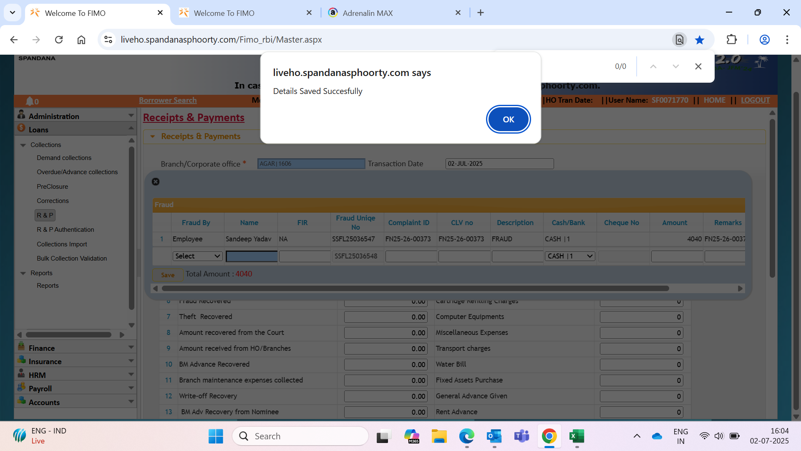

LAN_No | Amount | Transaction_Date | Txn_ID | USERID | Employee Code | Employee Name | Branch Code | Branch Name | Modify_Date | UpLoadDt | Processed_datetime | CashBank | Collection_Type
353725194 | 4040 | 2025-07-02 00:00:00 | 227905408 | 27526 | SF0071770 | Sai Krishna Chintala | MP0876 | Agar | 2025-07-02 16:03:30 | 2025-07-02 16:03:30 | NULL | NULL | NULL

